Project Process
PROJECT STEPS: 6 easy steps

1-Share your idea
This means: complete form with back of the napkin steps, and budget
2-Get it approved
This means: receive authorization, receive project smartsheet, project sheet and invite to Teams
3-Organize the launch
This means: Recruit team, secure funding, host project start meeting (finalize who does what, when), enter info into Smartsheet, project sheet
4-Execute the plan
This means: work the plan, track progress (update Smartsheet and CPO)
5-Check the results
This means: carefully assess impact in both process and deliverables
6-Close it out
This means: Submit product or event info, ensure bills paid, submit project close report, celebrate with team

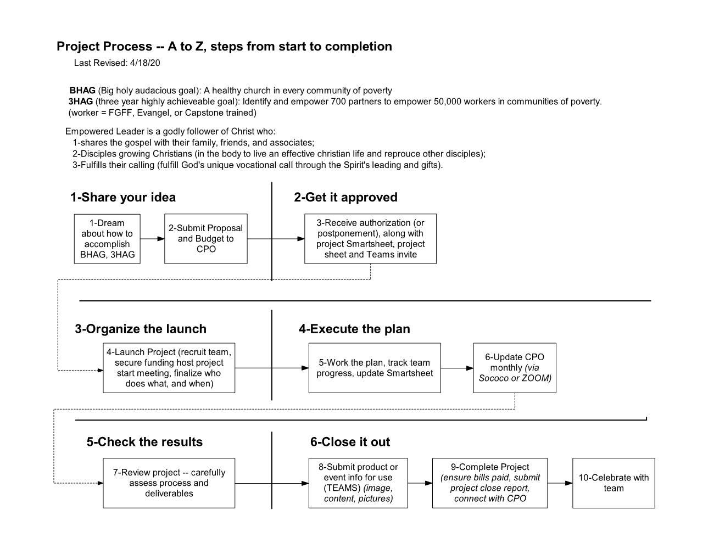
 |  | Project Process and Forms:
 |  | Project Website: https://tumi.org/projects
 |  | Proposal Form: (found at above link – download excel file, fill it in, Upload to Project Proposal Submissions Form: https://app.smartsheet.com/b/form/b9ba3c8b1b6544beb50fdc7bf56acd84

 |  | Once approved, we use Teams to communicate, Smartsheet to track, Project Sheets (excel) to list all pertinent information related to the project (including budget and costs)
 | 1 | The Smartsheet for the project will be shared with you, you will receive notifications two weeks out.
 | 2 | The Project Sheet (excel) will include the approved budget and project summary and details
 | 3 | TEAMS will host the Project Sheet, Smartsheet and all related files, and will be the location where all communication regarding the project will happen (in "posts" in the TEAMS for this project)
 | 4 | Project Coordinators or Managers report on project progress monthly, until project is completed

